Details
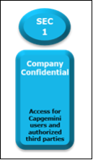

Documents Control Section

Project Details
Project Name | EventManagementApp |  | Project Id
Project Revision History

Date | Version | Author | Brief Description of Changes | Approver Signature
2022-11-21 | Version 0.0 | Group2
2022-11-22 | Version 0.1 | Group2
2022-11-23 | Version 0.2 | Group2
2022-11-24 | Version 0.3 | Group2

 |  |  |  |  |  | Using eSkills Matrix Tool for Skill Tracking
 |  |  |  |  |  | Not using eSkills Matrix Tool for Skill Tracking

 |  |  |  |  | Using eSkills Matrix Tool for Skill Tracking
 |  |  |  |  | Not using eSkills Matrix Tool for Skill Tracking

